Sheet1
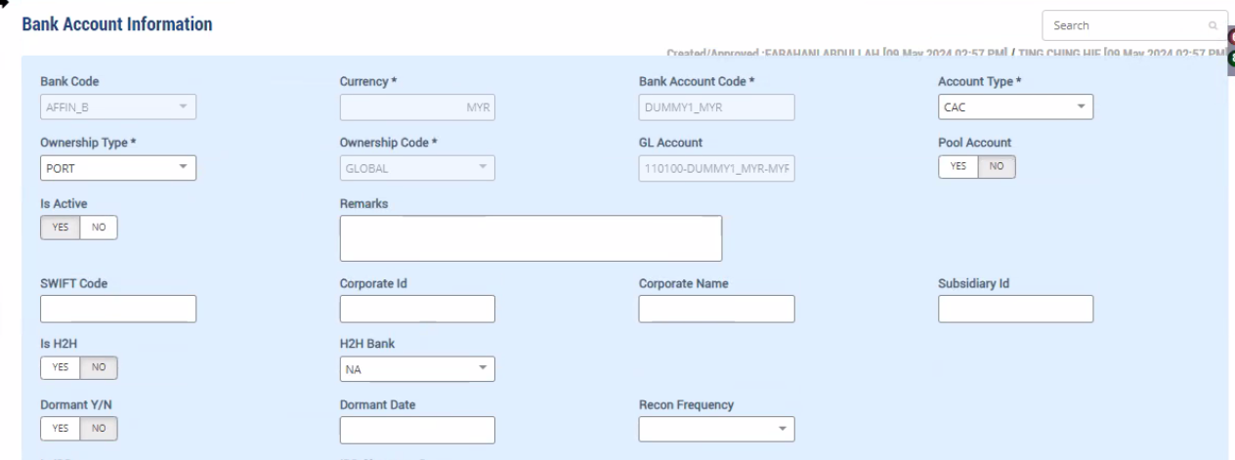
Other Party Master - Enable H2H for Agent
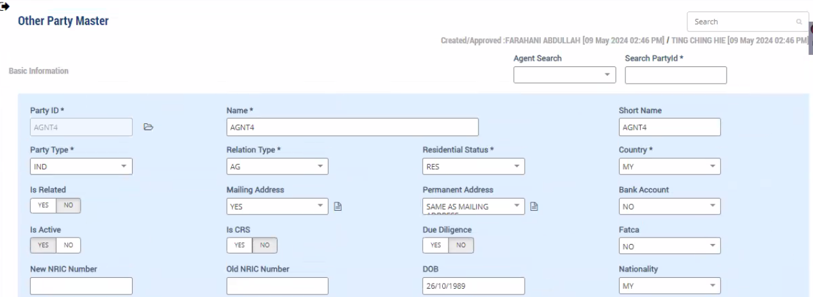

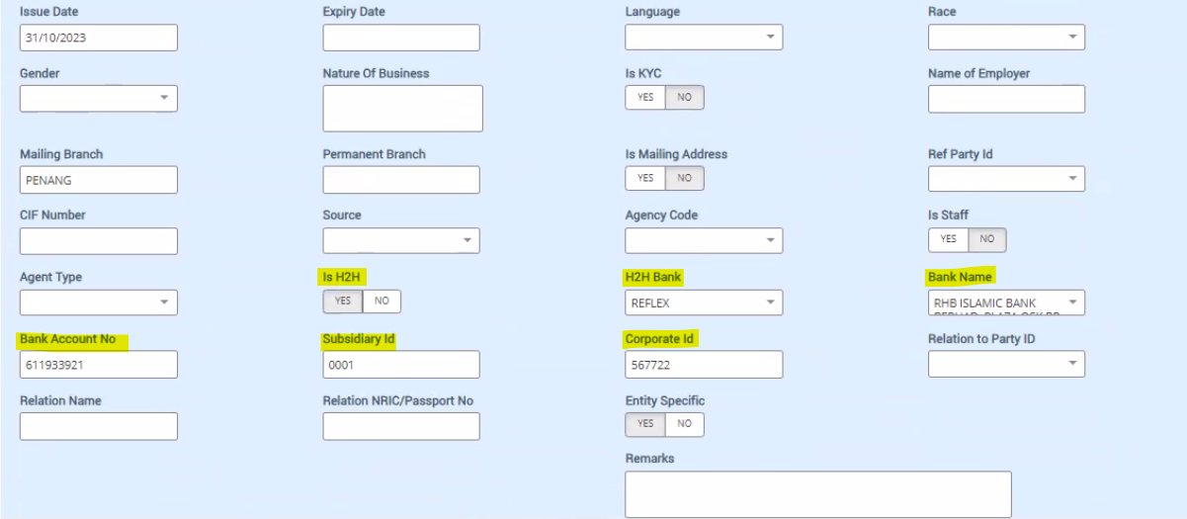

Commission Data calculated for Agents through commission process

Trade/Benefit Settlement Screen
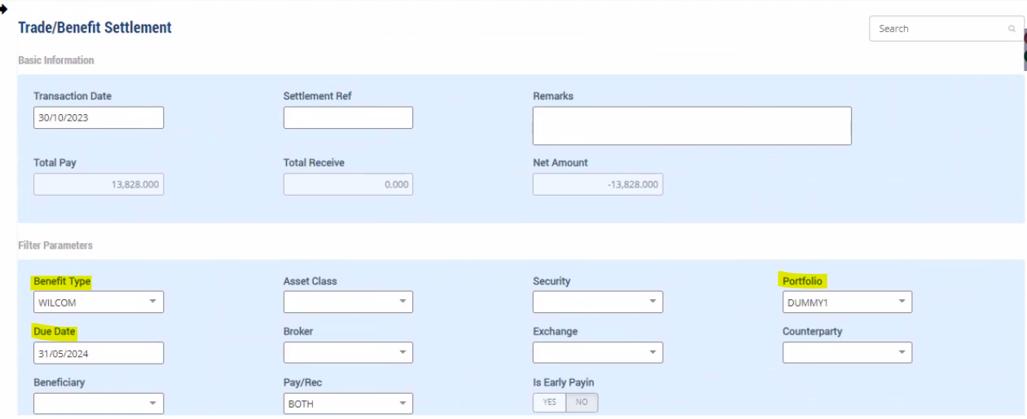

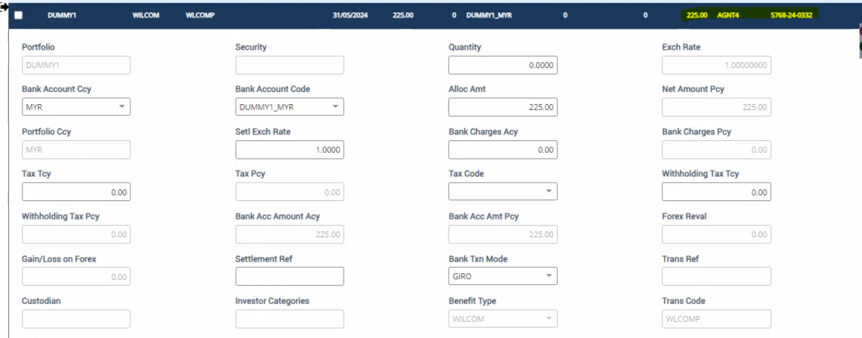

Payment Download

Other Party Master - Agent Bank Info | Portfolio Bank for Others

